JP Morgan Chase
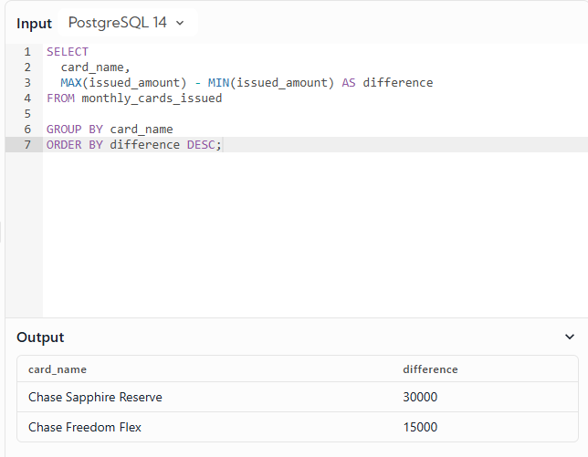
Question:

Your team at JPMorgan Chase is preparing to launch a new credit card, and to gain some insights, you're
analyzing how many credit cards were issued each month.

Write a query that outputs the name of each credit card and the difference in the number of issued cards
between the month with the highest issuance cards and the lowest issuance. Arrange the results based
on the largest disparity.

 | card_name | issued_amount | issue_month | issue_year
 | Chase Freedom Flex | 55000 | 1 | 2021
 | Chase Freedom Flex | 60000 | 2 | 2021
 | Chase Freedom Flex | 65000 | 3 | 2021
 | Chase Freedom Flex | 70000 | 4 | 2021
 | Chase Sapphire Reserve | 170000 | 1 | 2021
 | Chase Sapphire Reserve | 175000 | 2 | 2021
 | Chase Sapphire Reserve | 180000 | 3 | 2021

SQL Query:

Alibaba
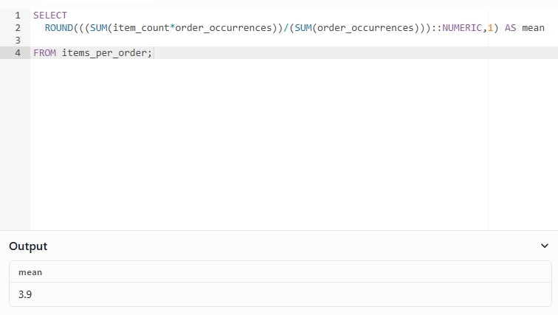
Question:

You're trying to find the mean number of items per order on Alibaba,
rounded to 1 decimal place using tables which includes information on
the count of items in each order (item_count table) and the
corresponding number of orders for each item count
(order_occurrences table).

 | item_count | order_occurrences
 | 1 | 500
 | 2 | 1000
 | 3 | 800
 | 4 | 1000

There are a total of 500 orders with one item per order,
1000 orders with two items per order, and 800 orders with three items per order.

SQL Query:

